Sheet1
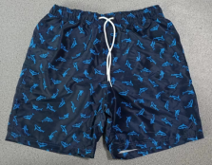
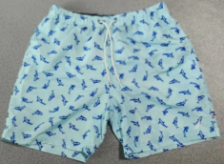
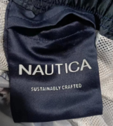
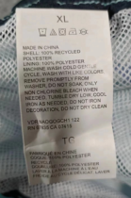
PACKING LIST
 |  |  |  |  |  |  |  |  | DATE: Jan 16, 2023
STYLE#： |  | BFM-3020
DESCRIPTION: |  | Men's 100% recycled polyester woven beach shorts
QUANTITY: |  | 960 | PIECES | IN | 12 | CTNS
MEAS： |  | 55X37X37 | CMS | IN | 12 | CTNS | 0.90 | M3
G.W ： |  | 14.5 | KG | IN | 12 | CTNS | 174 | KGS
N.W ： |  | 13.5 | KG | IN | 12 | CTNS | 162 | KGS

CTN |  | COLOR | SIZE |  |  |  |  | QTY | TOTAL | TTLQTY
FROM | TO |  | S | M | L | XL | XXL | CTN | CTNS | (PCS)
1 | 55 | BLUE | 5 | 10 | 10 | 10 | 5 | 80 | 6 | 480
 |  | NAVY | 5 | 10 | 10 | 10 | 5
56 | 64 | BLUE | 9 | 16 | 13 | 13 | 6 | 80 | 5 | 400
 |  | NAVY | 3 | 8 | 3 | 5 | 4
65 | 65 | BLUE | 4 | 6 | 13 | 13 | 11 | 80 | 1 | 80
 |  | NAVY | 8 | 8 | 3 | 5 | 9
TOTAL： |  |  |  |  |  |  |  |  | 12 | 960

 |  | COLORS | SIZE |  |  |  |  | QTY
 |  |  | S | M | L | XL | XXL
 |  | BLUE | 79 | 146 | 138 | 138 | 71 | 572
 |  | NAVY | 53 | 108 | 78 | 90 | 59 | 388
 |  | QTY | 132 | 254 | 216 | 228 | 130 | 960

